Evidence
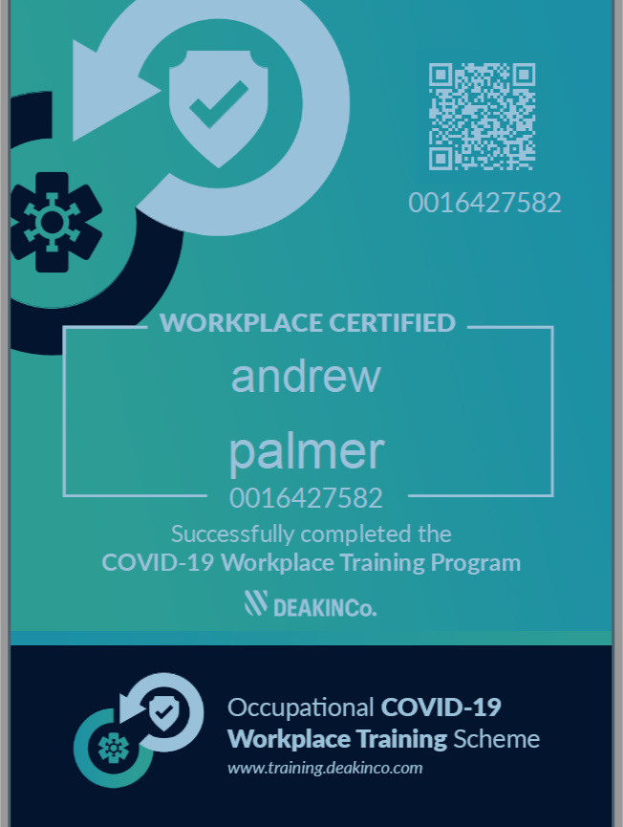
Log of evidence summary: |  | (suggested alternate way of keeping evidence with snippets of evidence with log)
Activity date | Activity - including details of provider. key learnings. evidence reference, describe what you are claiming to show that it complies (refer Guide for wording and ensure it is claimable)
From 8/2/2017? | ?
Year 1
2018-06-05 | ANTS training course, by Human Skills (RTO) at ABC mine |  | Note: evidence is not applicable but provided as an example - using Snip and Sketch program
2018-08-25 | ABC Coal, had a stop work meeting at all sites for the high number of deaths and high potential incidents across the industry and relevance to near miss incidents on our own site. We also had site training on our level one person task risk assessment ( SLAM ) and the expectations of triggers for a group risk assessment or a level two risk assessment ( JSA ).
Year 2
2019-09-09 | Workshop on practising certificates, Resources Regulator, Mudgee * how to apply for certificate * when to apply by * records and evidence for learning * auditing |  |  | 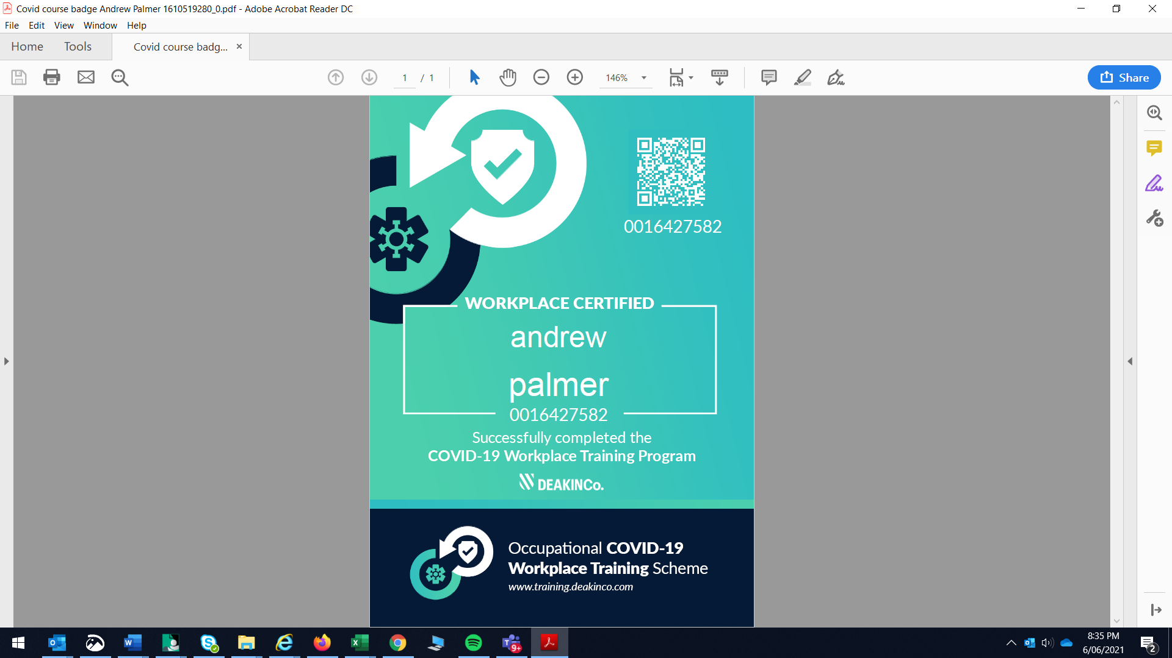 | Sample using Control+ Print screen on keyboard with Windows program
2019-10-08 | WHC-ASS-OC-Incident & Hazard Mgmt training course, ABC Coal mine delivered
2019-10-08 | Refresher training by ABC Coal on Emergency Mgmt, Hot Tyre, Chemical & Hydrocarbon Spill Response, Lightning
2019-10-08 | Refresher training by ABC Coal: Alcohol and Other Drugs / Fatigue / Injury Management / Manual Tasks / PPE
2019-10-08 | WHC-ASS-OC-Risk Management training course, ABC Coal mine delivered
2019-10-24 | The internal course at ABC mine was in safety interactions or planned task observation (PTO) training for my role as OCE at ABC mine. This training also included conflict resolution training.
2019-10-25 | As an OCE for the crew helped deliver with health and safety department a half hour presentation on ABC Mines update to the principle hazard dust and other airborne contaminants All so a half hour presentation on ABC mines update to there Lightning management plan.
2019-10-26 | Read the report released by the department on the investigation in the fatal collision between a 793D haul truck and a LV at Ravensworth open cut
2020-01-05 | Hazard ID, Management & Reporting Training by ABC mine 6-1-2020
Year 3

